1. Title Page
Grocery Basket Analysis

Project Name: Instacart Grocery Basket Analysis
Date: 12/03/2025
Analyst Name: Markus Teich

Contents:
Population Flow
Consistency checks
Wrangling steps
Column derivations
Visualizations
Recommendations

Citation:
“The Instacart Online Grocery Shopping Dataset 2017”, Accessed from www.instacart.com/datasets/grocery-shopping-2017 via Kaggle

2. Population Flow
 | Title page

Population flow

Exclusion flag
Condition: max_order < 5
Obervations to be removed: 1440295
Final total count of df_merged: 30,964,564

Orders_products_combined
ords_prods_cust_merge
df_merged

Total: 32,434,489
Total: 32,404859

Final Dataset
1.) The grey boxes in the first row of the population flow represent the original data sets as they were when you downloaded them. In the Total fields you need to add the count of the rows when you imported the data set into Jupyter.
2.) The second row of boxes (coloured) represents the data sets after you manipulated them, e.g., removed missing values and duplicates. In the Total fields you need to add the count of the rows after conducting these operations. This offers a visual oveview of how the data flows throughout the data consistency checks.
3.) The third row, where also the arrows are coloured, represents the merges you performed between the datasets. In the Total fields you need to add the count of the rows in the merged datasets, so that you end up with the final dataset (in the red box). Keep in mind the final dataset should be without exclusions (based on the exclusion flag).

3. Consistency checks
 |  |  |  | Title page
Consistency checks

Dataset | Missing values | Missing values treatment | Duplicates
orders | 206,209 missing values | None, as it is assumed the missing values is due to a large number of one-time customers as evident by the 'order_number' being 1 | No duplicates found
products | 16 missing values | Deleted all 16 missing values | 5 duplicates.
orders_products_prior | 206,209 missing values | No treatment | No duplicates found
customers | 11,259 missing values in the 'first_name' column | this column will be deleted for PII reasons | No duplicates found

4. Wrangling steps
 |  |  |  | Title page
Wrangling steps

Columns dropped | Columns renamed | Columns' type changed | Comment/Reason
 |  | user_id | Not needed as a numeric variable
 | made a new column named department |  | switched integers for strings
 | made new columns named age_group; income_group; dependants_group |  | made for different customer profiles
First Name' to 'First Name', dropped because of PII |  |  | Renamed to ensure consistency across all headers
Surnam' to 'Last Name', dropped because of PII |  |  | Renamed to correct spelling and ensure consistency across all headers
 | gender' to 'Gender' |  | Renamed to ensure consistency across all headers
 | STATE' to 'State' |  | Renamed to ensure consistency across all headers
 | fam_status' to 'Family Status' |  | Renamed to aide understanding
'Unnamed: 0' |  |  | Not needed
'Unnamed: 0.1' |  |  | Not needed
'_merge' |  |  | Not needed

5. Column derivations
 |  |  |  | Title page

Column derivations and aggregations

In this tab you should add tables below that the frequences of flags/label variables that you produced after deriving them. NB: don't do this for continuous variables, only for flags.
Dataset | New column | Column/s it was derived from | Conditions
ords_prods_cust_merge | price_range_loc | prices | df.loc[df['prices'] > 15, 'price_range_loc'] = 'High-range product'. df.loc[(df['prices'] <= 15) & (df['prices'] > 5), 'price_range_loc'] = 'Mid-range product'. df.loc[df['prices'] <= 5, 'price_range_loc'] = 'Low-range product'
ords_prods_cust_merge | busiest_day | order_dow | result = [] for value in ords_prods_cust_merge [order_dow"]: if value == 0: result.append("Busiest day") elif value == 4: result.append("Least busy") else: result.append("Regularly busy")
ords_prods_cust_merge | busiest_days | order_dow | result_2 = [] for value inords_prods_cust_merge["order_dow"]: if value == 0 or value == 1: result_2.append("Busiest days") elif value == 4 or value == 3: result_2.append("Least busy days") else: result_2.append("Regularly busy days")
ords_prods_cust_merge | busiest_period_of_day | order_hour_of_day | hour_of_day = [] for value inords_prods_cust_merge["order_hour_of_day"]: if value in [10, 11, 14, 15, 13, 12, 16, 9]: hour_of_day.append("Most orders") elif value in [23, 6, 0, 1, 5, 2, 4, 3]: hour_of_day.append("Fewest orders") else: hour_of_day.append("Average orders")
ords_prods_cust_merge | max_order | user_id, order_number | ords_prods_cust_merge['max_order'] = ords_prods_cust_merge.groupby(['user_id'])['order_number'].transform(np.max)
ords_prods_cust_merge | loyalty_flag | max_order | ords_prods_cust_merge.locords_prods_cust_merge['max_order'] > 40, 'loyalty_flag'] = 'Loyal customer'.ords_prods_cust_merge.loc[(ords_prods_merge['max_order'] <= 40) & (ords_prods_merge['max_order'] > 10), 'loyalty_flag'] = 'Regular customer'. ords_prods_cust_mergeords_prods_cust_merge['max_order'] <= 10, 'loyalty_flag'] = 'New customer'
ords_prods_cust_merge | average_price | user_id, prices | ords_prods_cust_merge['average_price'] = ords_prods_cust_merge.groupby(['user_id'])['prices'].transform(np.mean)
ords_prods_cust_merge | spending_flag | average_price | ords_prods_cust_merge.loc[ords_prods_merge['average_price'] < 10, 'spending_flag'] = 'Low spender'. ords_prods_cust_merge.loc[ords_prods_cust_merge['average_price'] >= 10, 'spending_flag'] = 'High spender'
ords_prods_cust_merge | median_orders | user_id, days_since_prior_order | ords_prods_cust_merge['median_orders'] = ords_prods_cust_merge.groupby(['user_id'])['days_since_prior_orde'].transform(np.median)
ords_prods_cust_merge | order_frequency_flag | median_orders | ords_prods_cust_merge.loc[ords_prods_cust_merge['median_orders'] > 20, 'order_frequency_flag'] = 'Non-frequent customer'. ords_prods_cust_merge.loc[(ords_prods_cust_merge['median_orders'] > 10) & (ords_prods_cust_merge['median_orders'] <= 20), 'order_frequency_flag'] = 'Regular customer' . ords_prods_merge.loc[ords_prods_merge['median_orders'] <= 10, 'order_frequency_flag'] = 'Frequent customer'
df_merged | region | State | First create the regions the create the new columns as follows: df_merged.loc[df_merged['state'].isin(Northeast), 'region'] = 'Northeast'. df_merged.loc[df_merged['state'].isin(Midwest), 'region'] = 'Midwest'. df_merged.loc[df_merged['state'].isin(South), 'region'] = 'South'. df_merged.loc[df_merged['state'].isin(West), 'region'] = 'West'
def_dep | department | department_id | departments assigned according to data dictionary.
active_customers | age_group | Age | active_customers.loc[(active_customers['age'] >= 18) & (active_customers['age'] <= 29), 'age_group'] = '18-29 years old'. active_customers.loc[(active_customers['age'] >= 30) & (active_customers['age'] <= 49), 'age_group'] = '30-49 years old'. active_customers.loc[(active_customers['age'] >= 50) & (active_customers['age'] <= 59), 'age_group'] = '50-59 years old'. active_customers.loc[(active_customers['age'] >= 60) & (active_customers['age'] <= 81), 'age_group'] = '60-81 years old'
active_customers | income_group | Income | active_customers.loc[active_customers['income'] <= 67292, 'income_group'] = 'Low Income'. active_customers.loc[(active_customers['income'] > 67292) & (active_customers['income'] < 128101), 'income_group'] = 'Middle Income'. active_customers.loc[active_customers['income'] > 128101, 'income_group'] = 'High Income'
ords_prods_cust_merge | dependants_group | Number of Dependents | df_final.loc[df_final['number_of_dependants'] == 0, 'dependants_group'] = 'No dependants'. df_final.loc[df_final['number_of_dependants'] > 0, 'dependants_group'] = 'Has dependants'
df_final | family_profile | Family Status, Number of Dependents, Gender | I used the .loc funtion. For example: df_final.loc[(df_final['Family Status'] == 'married') & (df_final['dependants_group'] == 'No dependants') & (df_final['gender'] == 'Female'), 'family_profile'] = 'married female, no children'.
df_final | week_days_orders | order_dow | df_final['week_days_orders'] = df_final['order_dow'].map({0: 'Saturday', 1: 'Sunday', 2: 'Monday', 3: 'Tuesday', 4: 'Wednesday', 5: 'Thursday', 6: 'Friday'})

6. Visualizations
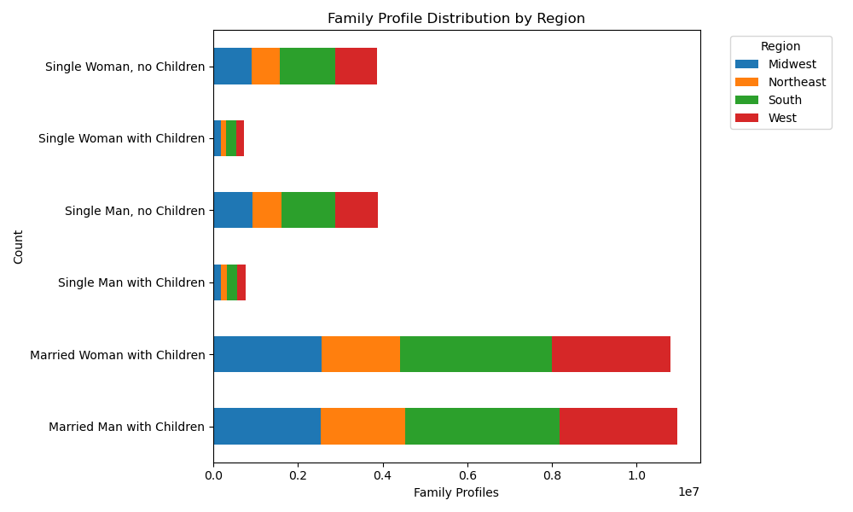
Visualisations

In this tab you should include all the visualtions from Exercises 4.9 and 4.10, alongside the questions from the project brief that they answer. Include any commentary on the relationship between different variables.

1. The busiest days of the week and hours of the day are (i.e., the days and times with the most orders) in order to schedule ads at times when there are fewer orders.
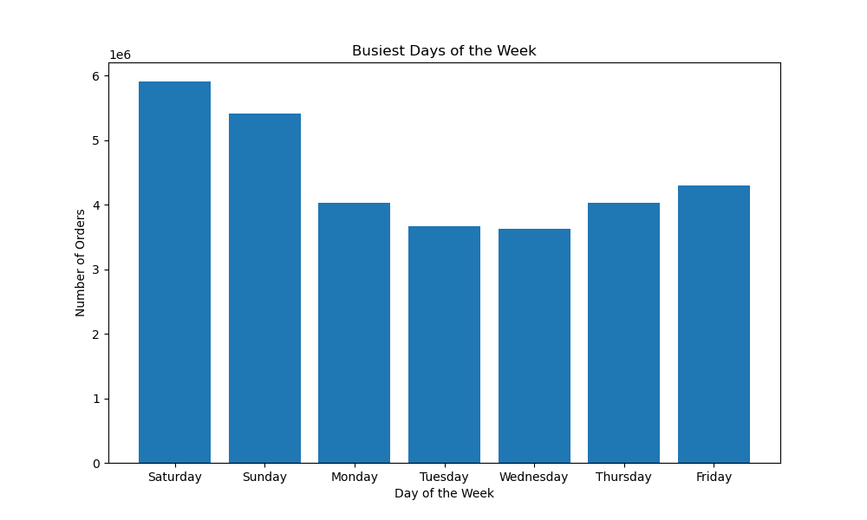
 | Insights

 | In terms of orders, the busiest days of the week seem to occur during the weekend (Friday, Saturday and Sunday), with orders taking a dip during the weekdays. Tuesday and Wednesday in particular see less traction for orders.

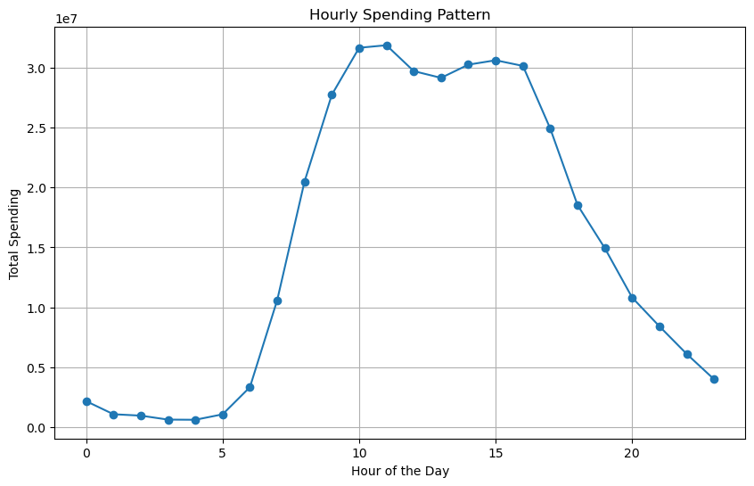
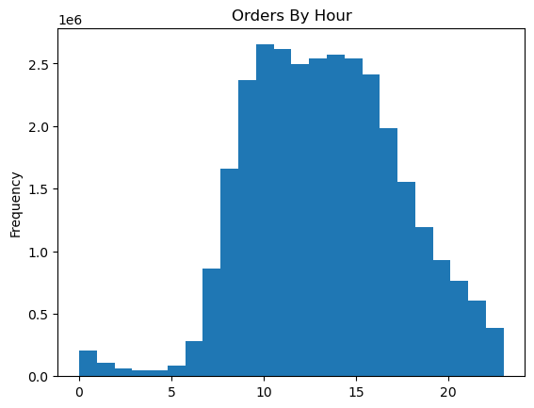
 | Insights

 | The histogram shoes that peak hours for orders are approximately between 9AM and 4PM. Orders see a steady decline after 4PM and bottom out between 1AM and 5AM. They then steadily pick back up after 6AM before returning to peak hours.

2. Are there particular times of the day when people spend the most money, as this might inform the type of products they advertise at these times?
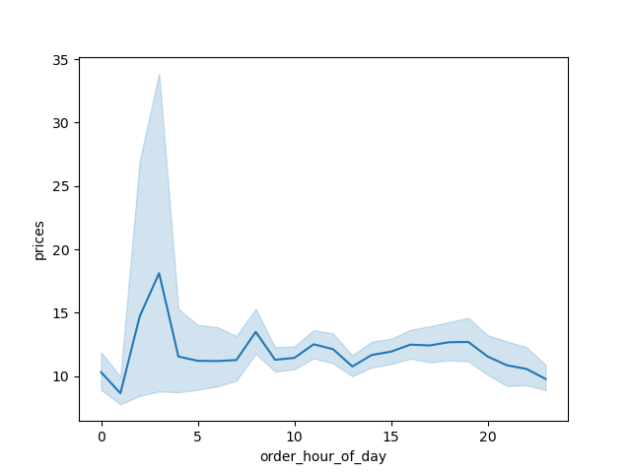
 | Insights
 | During the course of the day, spending peaks in the hours between 1 and 4AM. There are then minor fluctuations in spending throughout the day but overall spending is fairly steady.

3. Price Range

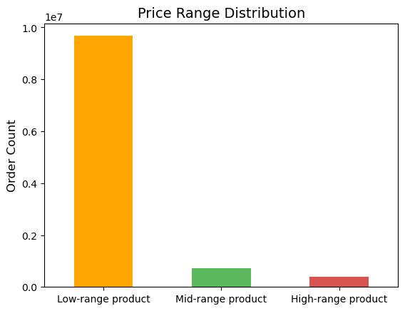
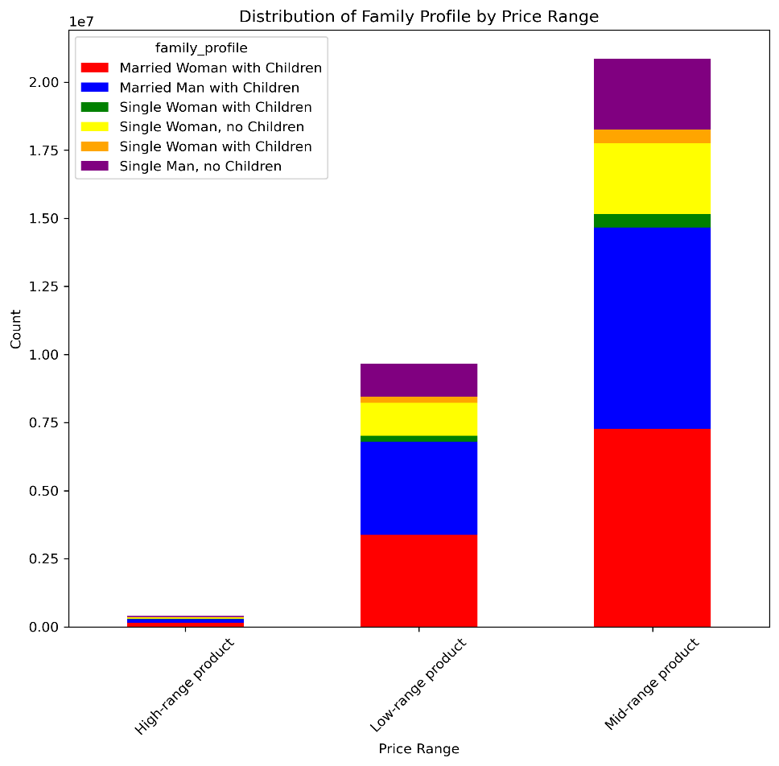
 | Insights

 | Instacarts products can be primarily divided into 3 main price ranges: Low-range, Mid-range and High-range products. Low-range products are the most popular in terms of sales.
 | sales.

 | Married Women and married Men with children dominate the sales.

 | Middle income individuals dominate sales, especially with the low-range products which make up the majority of sales.

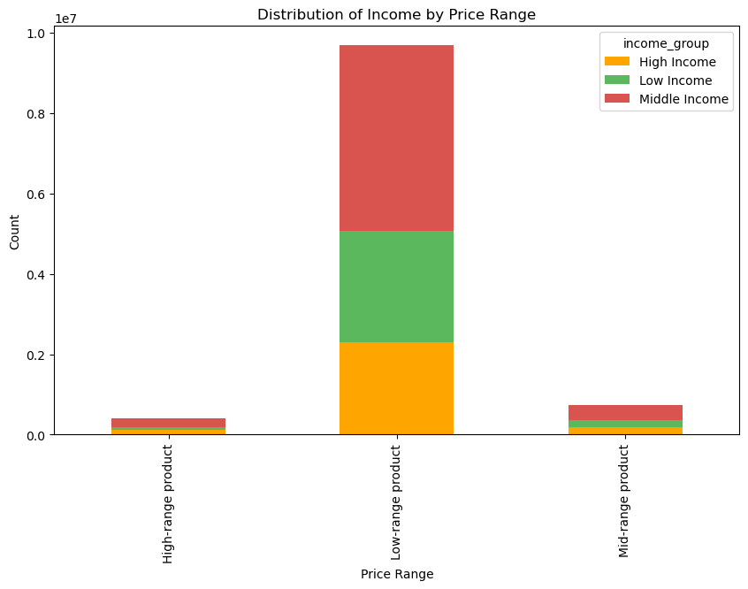
 | Insights
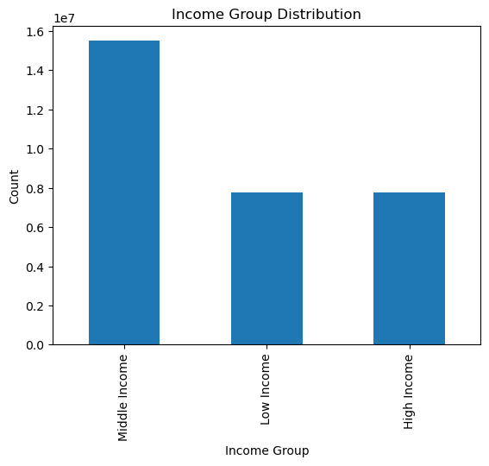
 | Income can be classified into three: Low-Income, Middle-Income and High-Income. Middle-Income individuals make up a majority of instacarts sales.

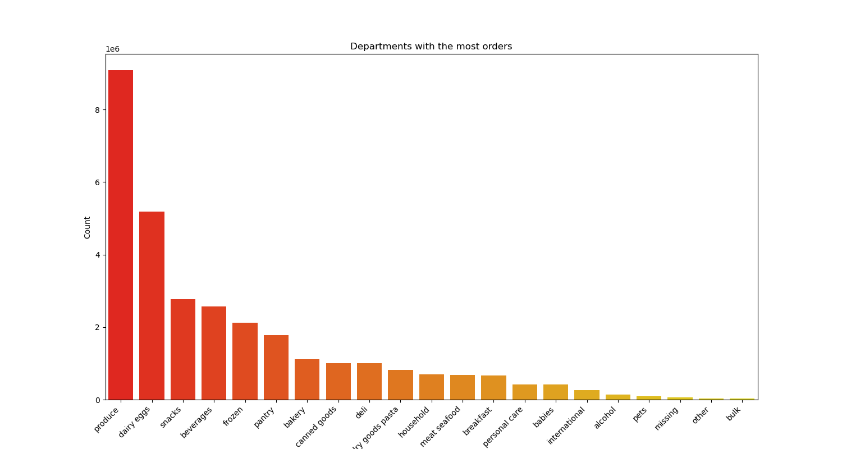
4. Are there certain types of products that are more popular than others? Which departments have the highest frequency of product orders?

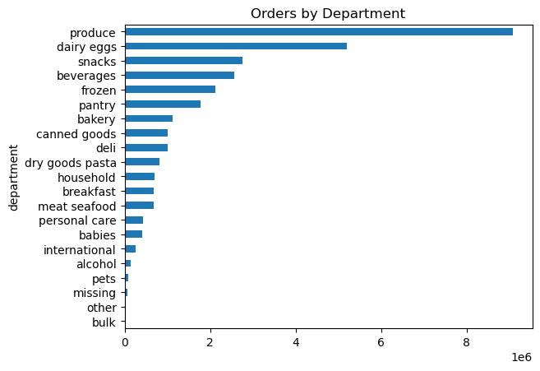
 | Insights

 | Produce, Dairy/Eggs and Snacks are the most popular products, seeing a higher order frequency than the rest with Produce doing especially well. On the other hand, the bulk goods department as well as the other miscellaneous goods department are the least popular with costumors.

5. What’s the distribution among users in regards to their brand loyalty)?

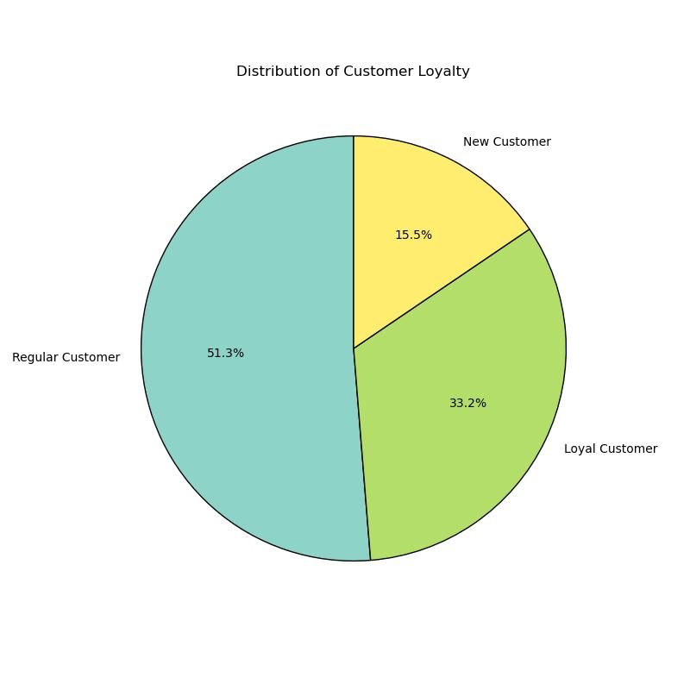
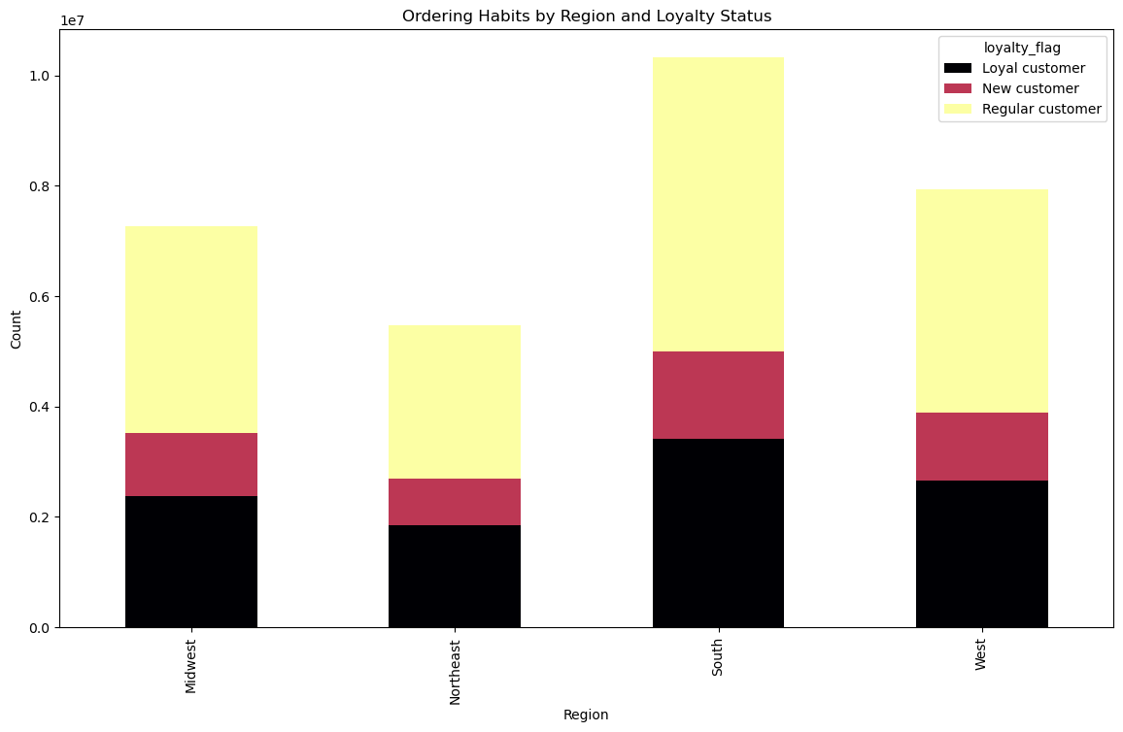

 | Insights

 | In terms of brand loyalty in instacart users, regular customers take up the majority of instacart orders. Loyal customers take up a decent percentage as a whole but trail regular customers, with new customers bringing in the least.

 | In terms of region, brand loyalty in the south is the strongest and is also led by regular customers.

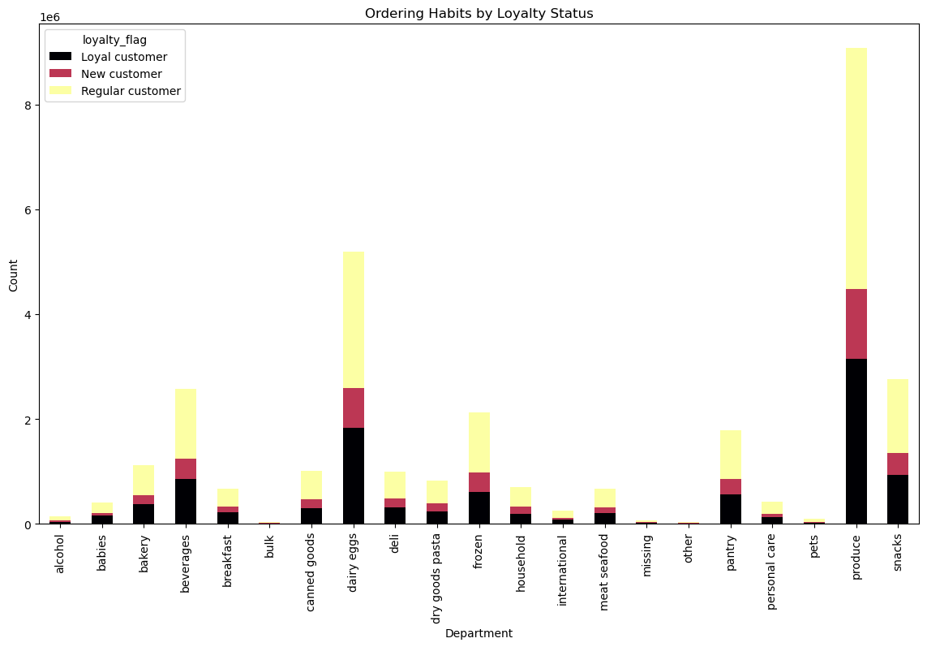
6. Are there differences in ordering habits based on a customer’s loyalty status?

Insights

The graph shows the distribution of customers across instacarts various departments. The results are consistent with the general brand loyalty as a whole.

7. Are there differences in ordering habits based on a customer’s region?

Insights

The south region sees the highest number of orders but there is no difference in ordering habits as regular customers still dominate while loyal customers fall behind.

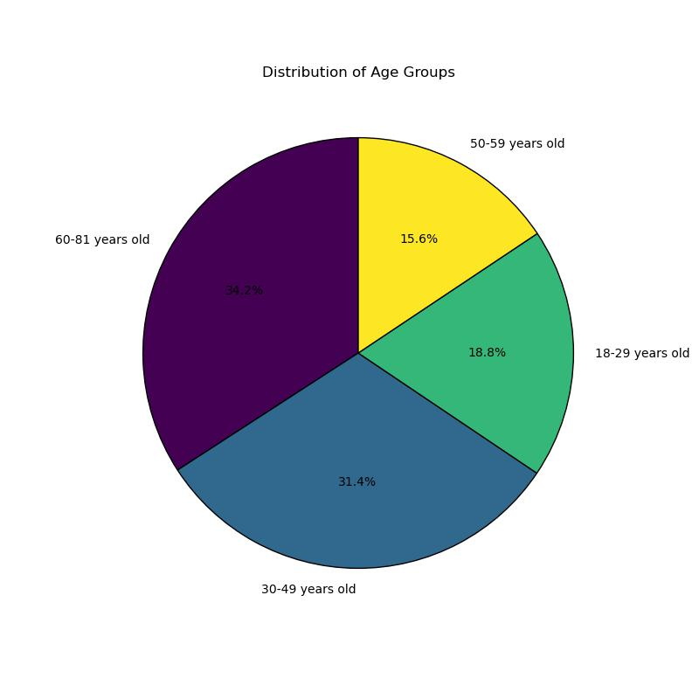
8. Is there a connection between age and family status in terms of ordering habits?

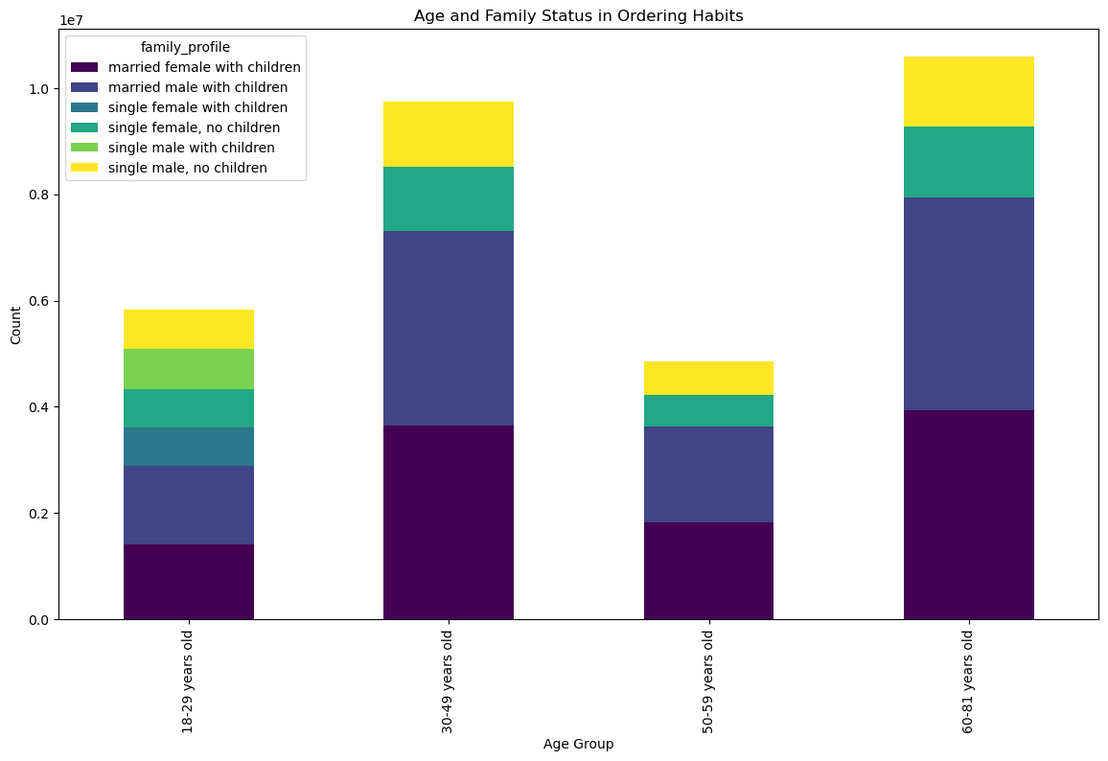
 | Insights

 | Married Women and married Men with children dominate instacarts order count. Age does seem to play a part in brand loyalty as prime working individuals and retirees also spend more on instacart. We can deduce that this is as a result of perhaps having more disposable income.

9. What different classifications does the demographic information suggest?
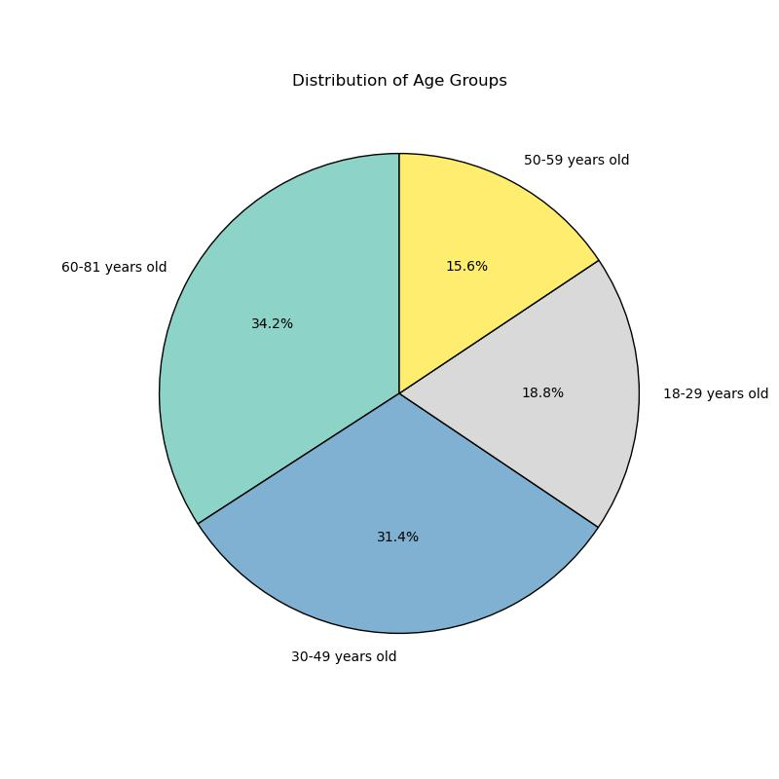


 | Insights

 | The demographic information suggests that even though the majority seem to earn within 200,000, there is a jump in the income of individuals aged above 40. There are more people aged 40+ that earn above 200,000 with some individuals able to earn an income above 400,000. No one below 40 managed to earn above 400,000. As such we can determine that there is a slightly positive correlation between age and income.

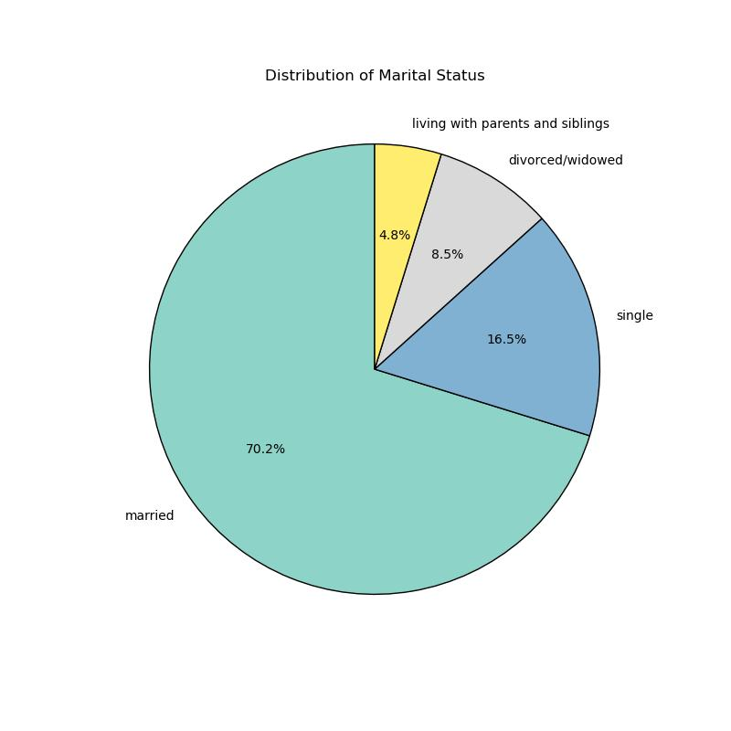
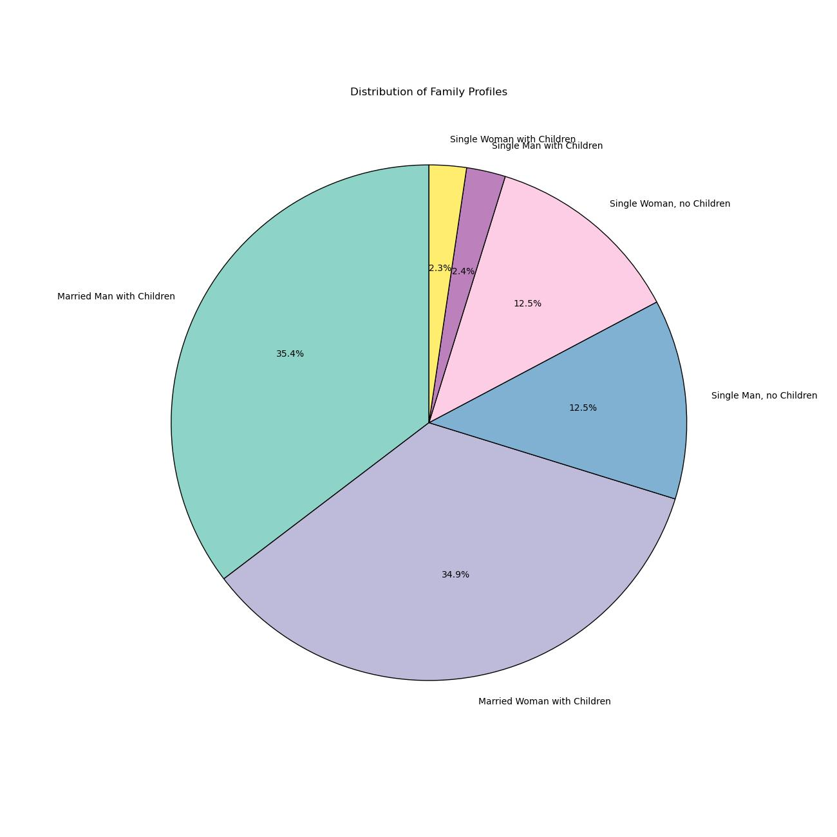
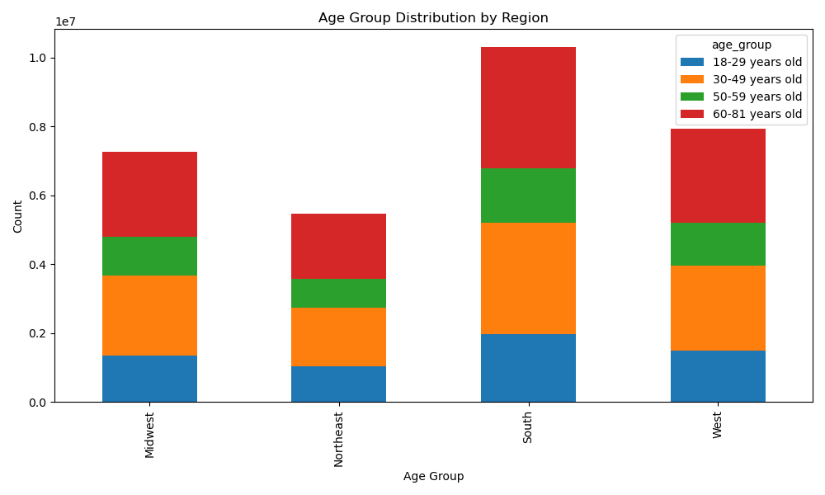

10. What differences are in the ordering habits or family status of different customer profiles and regions?

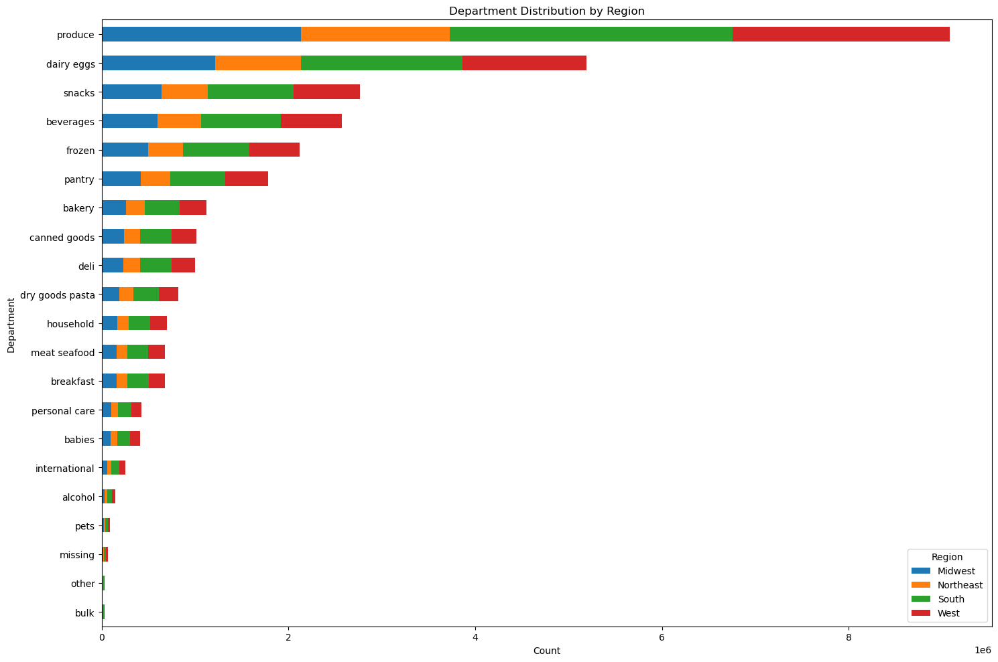
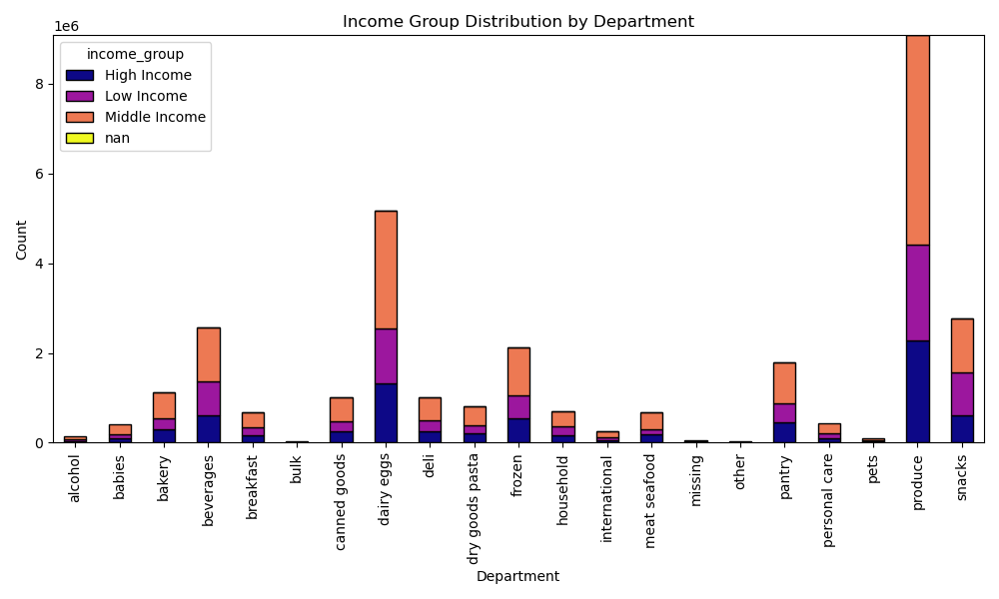

 | Insights

 | Regardless of the customer profile, the charts reveal that the departments with the most orders are Produce and Dairy/Eggs. The next most popular are Snacks, Beverages, Frozen, and Pantry. Least in demand are Bulk, Other, Pets, and Alcohol.

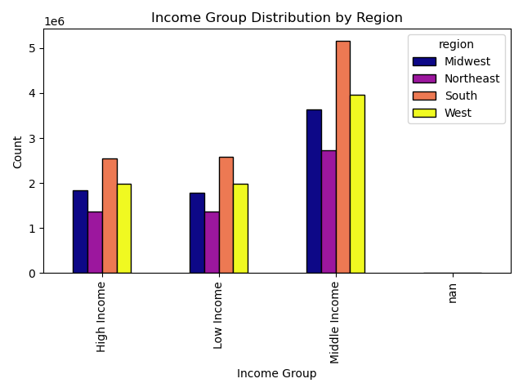
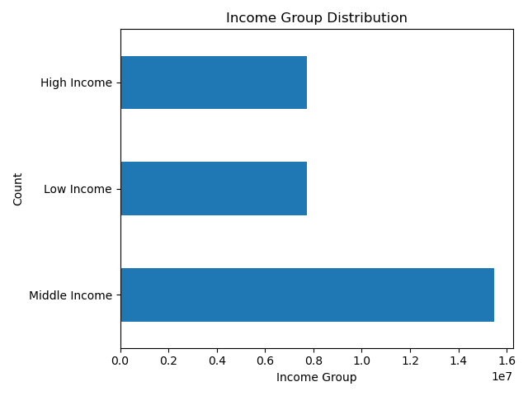

 | Insights

 | The West and the South are
 | in the highest income group.

 | Insights
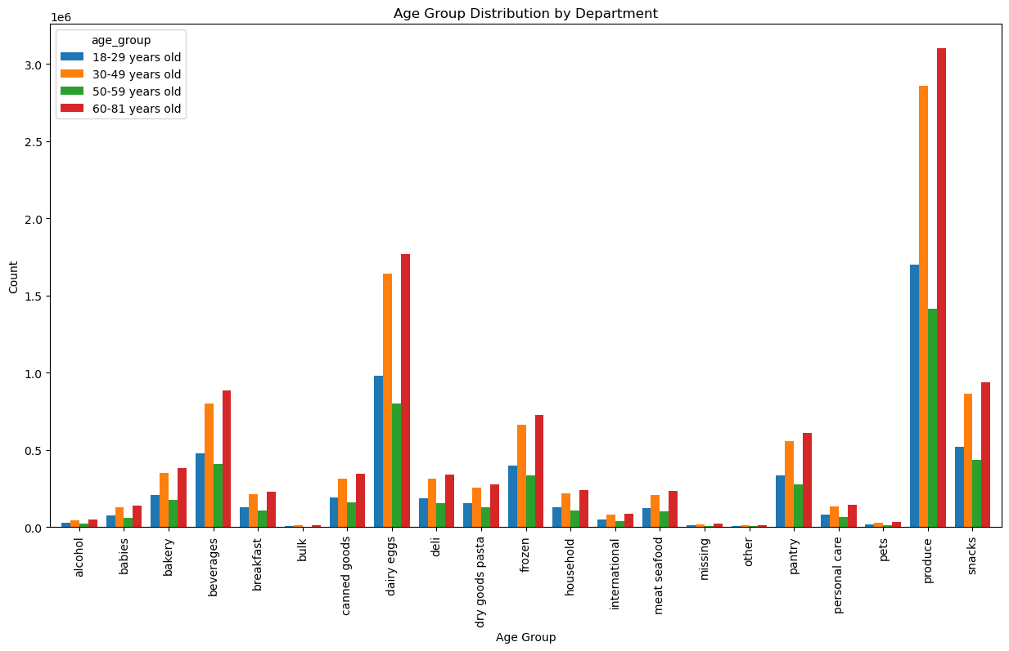
 | The age groups 30-49 and 60-81 order a significant amount more than the other age groups as can be seen in differing degrees in the departments. Regular customers order the most as well.

7. Recommendations
 |  | Title page

Recommendations

In this tab you should include any recommendations you would made to Instcart in terms of their marketing strategy based on the questions posed in the brief. Every key question has been covered in the Tasks of the Exercises - here you need to add an item - a visualisation or table/crosstable that is showing the answer in the data, acompanied by a comment from you. Please, list the questions below and add the answer underneath.

Recommendations Q1
Targeted marketing:
* Focus on weekends, especially Sunday and Saturday.
Ad scheduling:
* Schedule ads during peak order times, 10 a.m. to 4 p.m.
Weekday promotions:
* Offer deals on slower weekdays like Fridays and Thursdays.
Customer engagement:
* Engage customers with personalized recommendations during off-peak times.
Recommendations Q3
Simplified price groupings:
* Use "low," "medium," and "high" price categories for product classification.
Quartile-based categories:
* Define price ranges based on quartiles.
Focus on mid-range:
* Concentrate marketing efforts on mid-priced products.
Target low-price segment:
* Run promotions on low-priced items to boost sales.
Highlight high-priced items:
* Present premium offerings for specific customer segments.
Recommendations Q2
Early morning promotions:
* Offer discounts from 1 a.m. to 4 a.m.
Mid-morning specials:
* Launch flash sales at 10 a.m.
Price-based recommendations:
* Customize suggestions based on price sensitivity.
Dynamic pricing:
* Implement real-time price adjustments.
Data-driven insights:
* Analyze shopping behavior for timing strategies.
Research Questions | Broad Aspects
1.The busiest days of the week and hours of the day are (i.e., the days and times with the most orders) in order to schedule ads at times when there are fewer orders. | Seeing that instacart should be looking to schedule ads at times where there are fewer orders, instacart should schedule ads during the weekdays anytime from 8pm to 8am, specifically on Tuesdays and Wednesdays.

2. Are there particular times of the day when people spend the most money, as this might inform the type of products which should be advertised at these times? | During the course of the day, spending peaks are in the hours between 1 and 4am. Instacart should take advantage of this peak by perhaps offering more products during these hours. The most popular products should also be advertised and pushed more during these hours. Strategies like sales, discounts and limited time offers can be employed to fully take advantage of peak hours.

3. Price Range? | To maximize sales, the marketing and sales teams should prioritize the most popular product departments (Produce, Dairy/Eggs, Snacks, and Beverages). These departments show the highest frequency of orders, indicating strong customer preferences. To leverage this popularity, it is recommended to intensify marketing campaigns, feature top-selling products, and create bundle deals within these high-frequency departments. Additionally, focusing on seasonal promotions for Produce, special discounts for Dairy/Eggs, and diversifying the snacks and beverage offerings can further enhance customer engagement and drive increased sales. Regularly reviewing and optimizing inventory levels for these popular departments will ensure a seamless shopping experience and customer satisfaction.

Recommendations Q4
Focus on popular departments:
* Allocate marketing resources to high-order frequency departments like produce and dairy.
Highlight perishable items:
* Emphasize 'Produce', 'Dairy Eggs', and 'Frozen' for fresh and refrigerated products.
Promote convenience:
* Highlight 'Snacks', 'Beverages', and 'Pantry' for everyday essentials.
Target niche departments:
* Market 'Personal Care', 'Baby', and 'Household' with specialized campaigns despite lower order frequencies.
Consider specialized categories:
* Assess 'Missing', 'Other', and 'Bulk' for niche customer segments in tailored marketing.
Recommendations Q5
Target regulars:
* Retain 50%+ with rewards and personalized offers.
Retain loyalty:
* Maintain 30%+ with premium services and tailored promotions.
Attract new customers:
* Capture 15%+ with incentives and effective onboarding.
Segmented campaigns:
* Maximize engagement with tailored marketing.
Continuous monitoring:
* Ensure ongoing relevance and effectiveness.
4. Are there certain types of products that are more popular than others? | To maximize sales, the marketing and sales teams should prioritize the most popular product departments (Produce, Dairy/Eggs, Snacks, and Beverages). These departments show the highest frequency of orders, indicating strong customer preferences. To leverage this popularity, it is recommended to intensify marketing campaigns, feature top-selling products, and create bundle deals within these high-frequency departments. Additionally, focusing on seasonal promotions for Produce, special discounts for Dairy/Eggs, and diversifying the snacks and beverage offerings can further enhance customer engagement and drive increased sales. Regularly reviewing and optimizing inventory levels for these popular departments will ensure a seamless shopping experience and customer satisfaction.

5. What’s the distribution among users in regards to their brand loyalty ? | Fostering loyalty among existing customers is key. Implementing targeted campaigns for new customers to encourage initial purchases before then introducing them to loyalty benefits is recommended. For regular customers, reinforce their loyalty with exclusive offers and loyalty discounts. For loyal customers, continue prioritizing their experience with special incentives and early access to promotions.

6. Are there differences in ordering habits based on a customer’s loyalty status? | Tailor marketing and product offerings to regional preferences. Focus marketing efforts on the South, potentially introducing region-specific deals or products. Explore targeted strategies such as exclusive regional promotions or partnerships to boost engagement in the Northeast. Additionally, for products appealing to high spenders, ensure a consistent and attractive offering across all regions.

Recommendations Q6
Targeted marketing:
* Loyal customers: Offer exclusive rewards and early access.
* Regular Customers: Provide personalized discounts.
* New customers: Focus on onboarding incentives and educational content.
Retention strategies:
* Loyal customers: Reward with VIP treatment and personalized support.
* Regular Customers: Implement retention campaigns and incentives.
* New customers: Build trust with exceptional service.
Product recommendations:
* Loyal customers: Highlight premium items and personalized recommendations.
* Regular Customers: Showcase value products and bundle offers.
* New Customers: Feature popular essentials and starter kits.
Spending insights:
* High spenders: Offer customized promotions and exclusive benefits.
* Low spenders: Implement strategies to increase average order value.
Recommendations Q7
Localized marketing:
* Tailor campaigns to regional preferences.
Regional promotions:
* Offer region-specific discounts for loyalty building.
Market segmentation:
* Segment customers by region for targeted offers.
Customer insights:
* Analyze regional purchasing patterns for strategy refinement.
Customer engagement:
* Enhance regional loyalty programs to boost retention.
7. Are there differences in ordering habits based on a customer’s region? | Tailor marketing and product offerings to regional preferences. Focus marketing efforts on the South, potentially introducing region-specific deals or products. Explore targeted strategies such as exclusive regional promotions or partnerships to boost engagement in the Northeast. Additionally, for products appealing to high spenders, ensure a consistent and attractive offering across all regions.

8. Is there a connection between age and family status in terms of ordering habits? | Tailor ads and promotions to customers in the 30-49 and 60-81 age groups as they make up a majority of sales. Also offer a range of diverse incentives as the age groups are quite broad and as such would have varying preferences. Reward loyalty in customers by providing loyalty driven perks and promotions.

9. What different classifications does the demographic information suggest? Age? Income? | Customers aged 30 - 49 and 60 - 81 years old, who are married with children, generate the most income. Create targeted promotions and product bundles that cater to family needs, ensuring convenience and value. Offer a mix of affordable and premium products to accommodate varying budget preferences. Recognizing that most users are frequent customers, implement loyalty programs with personalized rewards to further incentivize repeat orders.

Recommendations Q8
Targeted campaigns:
* Divorced/Widowed: Tailor promotions to seniors.
* Living with parents and siblings: Offer incentives to young adults.
* Married: Focus marketing efforts on adults.
* Single: Engage single adults with targeted promotions.
Product recommendations:
* Married with dependents: Highlight family-friendly products.
* Living with parents and siblings: Include shareable options.
* Single without dependents: Offer convenience items.
Communication strategy:
* Married individuals: Emphasize convenience.
* Living with parents and siblings: Highlight affordability and variety.
* Single individuals: Showcase flexibility and customization.
Recommendations Q10
Segmented promotions:
* Customize discounts for low-frequency users to boost purchases.
Time-specific offers:
* Introduce promotions during off-peak hours to encourage spending.
Personalized bundles:
* Create tailored product bundles to increase order value.
Income-based pricing:
* Tailor pricing to different income levels, offering discounts and highlighting premium products.
Loyalty programs:
* Implement programs targeting infrequent shoppers to drive repeat orders.
Specialty product campaigns:
* Create targeted marketing for specialty profiles to address unique preferences.
10. What differences can you find in ordering habits of different customer profiles? | Considering there are no preferences regardless of customer profile, tailor promotions based on specific customer segments, introducing loyalty programs for high-frequency customers and diversifying offerings within popular departments like Snacks, Beverages and Produce. Implement dynamic pricing strategies, cross-promotions, and seasonal campaigns to keep customers engaged and attract attention. Additionally, assess and enhance low-demand departments, considering targeted promotions and adjustments.

Recommendations Q9
Targeted marketing:
* Family profiles: Focus on regions with high family profiles.
* Single profiles: Tailor promotions to areas with more singles.
* Parent profiles: Highlight family-oriented offers in regions with young parents.
Product assortment:
* Family-friendly products: Offer variety and discounts where families are prevalent.
* Single-serve options: Offer convenient choices in regions with more singles.
Customer engagement:
* Personalized recommendations: Customize suggestions based on demographics.
* Localized campaigns: Tailor marketing based on regional demographic trends.

